GlobalIPCo African Patent Cost
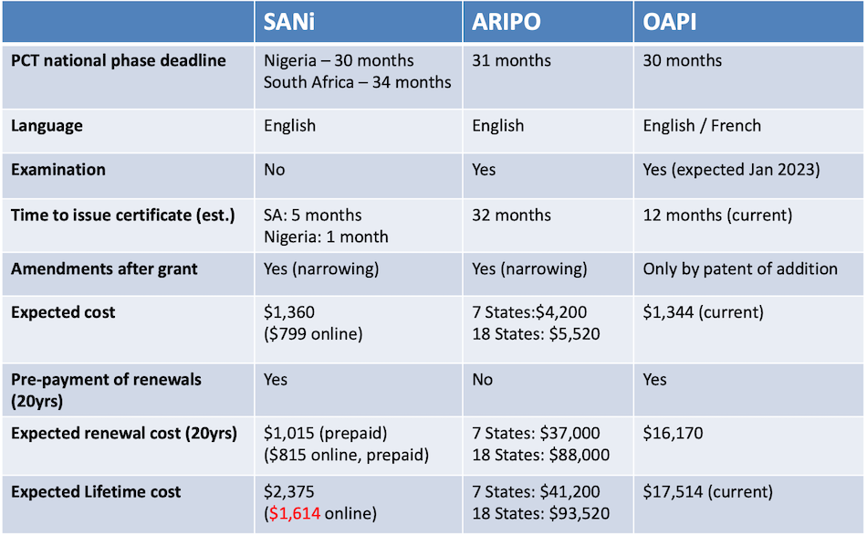
African Patent Costs
Relative Filing Cost / GDP & Population
 | Filing Cost ($) / GDP ($bill.) | Filing Cost ($) / Population (mill.)
SANI | $1 | $4
ARIPO | $5 | $7
OAPI | $9 | $13
(Version 2.02, 9 Dec 2022)

 |  |  |  |  | TOTAL COST
 |  |  |  |  | Fiiling cost | $6,534
( ) Online option (law firm discount) |  |  |  |  | Renewal | $4,464
 |  |  |  |  | Total | $10,998
 | Number of States | 19
 | Tip: select Kenya, Ghana, Tanzania, Uganda, Sudan, Zimbabwe, Zambia |  |  |  | Downstream costs:
 |  |  |  |  | ARIPO Exam. Cost | $1,430
 | 17 States |  |  |  | (Due third year from PCT filing date)
 |  |  |  |  | ARIPO Grant Cost | $1,150

Today's date: | 2022-12-12
PCT filing date: | 2020-03-01
No. priority claims: | 1
No. claims: | 20
No. pages: | 30
No. patents in courier parcel: | 4
Euro:US$ conversion | 1.04

SANi |  |  |  |  |  | ARIPO |  | OAPI
SOUTH AFRICA |  |  | NIGERIA |  |  | Filing |  | Filing
Filing |  |  | Filing |  |  | Filing (official) | $232 | Filing (official) | € 344
Filing (official) | $40 |  | Filing (official) | $85 |  | State designation (official) | $1,615 | Priority (official) | € 97
Filing (professional) | $359 |  | Filing (professional) | $590 |  | Filing (professional) | $650 | Publication (official) | € 558
Acceptance and publication | $70 |  | Acceptance and publication | $0 |  | Total | $2,497 | Surplus claims (+10) (official) | € 690
Courier | $28 |  | Courier | $28 |  |  |  | Surplus pages (+10) (official) | € 120
Subtotal | $497 |  | Subtotal | $703 |  | Renewal |  | Surplus pages (+20) (official) | € 460
 |  |  |  |  |  | Renewal (official) | $2,280 | Surplus pages (+30) (official) | € 0
Renewal "to term" |  |  | Renewal |  |  | Renewal (professional) | $150 | Surplus pages (+40) (official) | € 0
Renewal (official) | $140 |  | Renewal (official) | $352 |  | Total | $2,430 | Filing (professional) | € 460
Renewal (professional) | $245 |  | Renewal (professional) | $279 |  |  |  | Total | € 2,729
Subtotal | $385 |  | Subtotal | $630 |  | Examination (PCT filing date + 3yrs)
Firm: Sibanda & Zantwijk (snz.co.za) |  |  | Firm: Crown & Shields |  |  | Examination (official) | $600 | Renewal
 |  |  |  |  |  | Surplus claims (+10) (official) | $500 | Renewal (official) | € 672
SANi total filing | $1,199 |  |  |  |  | Surplus pages (+30) (official) | $0 | Renewal (professional) | € 308
SANi total renewal | $1,015 |  |  |  |  | Surplus pages (+100) (official) | $0 | Total | € 980
SANi grant total | $2,214 |  |  |  |  | Examination (professional) | $300 | Firm: Atanga
System: GlobalIPCo.com |  |  |  |  |  | Surplus claims (+10) (professional) | $30
 |  |  |  |  |  | Surplus pages (+30) (professional) | $0
 |  |  |  |  |  | Surplus pages (+100) (professional) | $0
 |  |  |  |  |  | Total | $1,430

 |  |  |  |  |  | Grant and publication
 |  |  |  |  |  | Grant and publication (official) | $700
 |  |  |  |  |  | Grant and publication (professional) | $300
 |  |  |  |  |  | Collection and checking of certificate | $100
 |  |  |  |  |  | Courier | $50
 |  |  |  |  |  | Total | $1,150
 |  |  |  |  |  | Firm: Samuriwo

Countries - Stats
Countries | (2021 data)

ARIPO | GDP (billion USD) | Population (million) | OAPI | GDP (billion USD) | Population (million) | SANi | GDP (billion USD) | Population (million)
Botswana | $17.61 | 2.40 | Benin | $17.79 | 12.45 | Nigeria | $440.80 | 211.40
Gambia | $2.08 | 2.49 | Burkino Faso | $19.74 | 21.50 | South Africa | $419.90 | 60.04
Ghana | $77.59 | 31.73 | Cameroon | $45.24 | 27.22 | Total | $860.70 | 271.44
Kenya | $110.30 | 54.99 | Central African Republic | $2.52 | 4.92
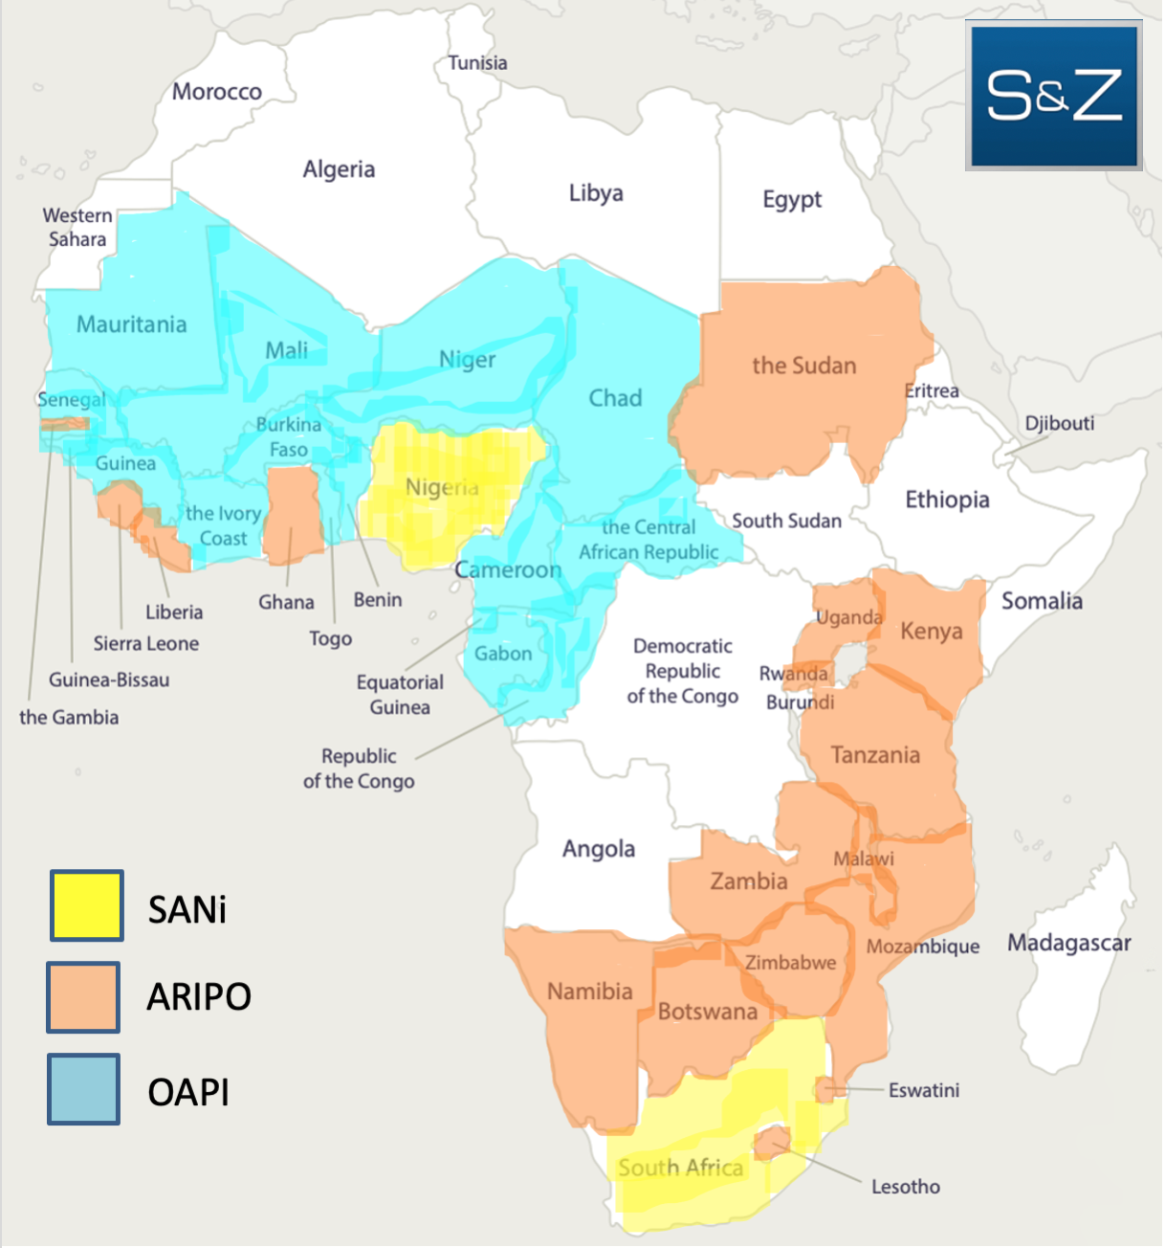
Lesotho | $3.52 | 2.16 | Chad | $11.78 | 16.91
Liberia | $3.49 | 5.18 | Comoros | $12.52 | 5.84
Malawi | $12.63 | 19.65 | Equatorial Guinea | $1.33 | 0.89
Mozambique | $16.10 | 32.16 | Gabon | $12.27 | 1.45
Namibia | $12.24 | 2.59 | Giunea-Bissau | $18.27 | 2.28
Rwanda | $11.07 | 13.28 | Guinea | $15.85 | 13.50
Sao Tome | $0.55 | 0.22 | Ivory Coast | $1.64 | 2.02
Sierra Leone | $4.20 | 8.14 | Mali | $69.76 | 27.05
Sudan | $34.33 | 44.91 | Mauritania | $19.14 | 20.86
Swaziland | $4.94 | 1.17 | Niger | $8.23 | 4.78
Tanzania | $67.78 | 61.50 | Republic of the Congo | $14.95 | 25.13
Uganda | $40.43 | 47.12 | Senegal | $27.63 | 17.20
Zambia | $21.20 | 18.92 | Togo | $8.41 | 8.48
Zimbabwe | $26.22 | 15.09 | Total | $307.06 | 212.46
(Seychelles) | $1.32 | 0.10
(Cape Verde) | $1.94 | 0.56
Total | $469.53 | 364.36
* Suggested selection

